Sheet1
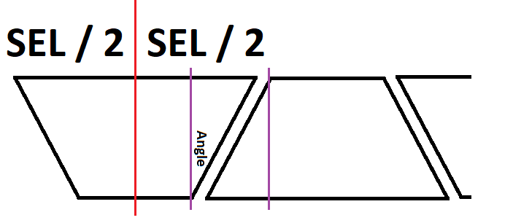
 |  |  |  |  |  |  | Waste | 0.00
Row # | OD | ID | Board Width | Board Thickness | Total Pieces | Cut Angle Deg's | Segment Edge | Calculated Board Length | Maple | Walnut | Cherry | Check Piece Count | Board Length |  | Maple | Walnut | Cherry

1 | 5.75 | 0.00 | 0 | 0.75 | 0 |  | 0.00 | 0 |  | 1 |  | 1 | 0 |  | 0.00 | 0.00 | 0.00
2 | 6.50 | 4.50 | 1 | 0.75 | 16 | 11.25 | 1.29 | 19.50 | 8 | 4 | 4 | 16 | 20 |  | 9.75 | 4.88 | 4.88
3 | 7.00 | 5.00 | 1 | 0.75 | 16 | 11.25 | 1.39 | 21.10 | 8 | 4 | 4 | 16 | 21 |  | 10.55 | 5.27 | 5.27
4 | 7.13 | 5.75 | 1 | 0.75 | 16 | 11.25 | 1.42 | 21.49 | 8 | 4 | 4 | 16 | 21 |  | 10.75 | 5.37 | 5.37
5 | 7.00 | 5.00 | 1 | 0.75 | 16 | 11.25 | 1.39 | 21.10 | 8 | 4 | 4 | 16 | 21 |  | 10.55 | 5.27 | 5.27
6 | 6.50 | 4.50 | 1 | 0.75 | 16 | 11.25 | 1.29 | 19.50 |  | 16 |  | 16 | 20 |  | 0.00 | 19.50 | 0.00
 |  |  |  |  |  |  |  |  | 32 | 33 | 16 | 81 |  | 1" | 41.59 | 40.30 | 20.80
 |  |  |  |  |  |  |  |  |  |  |  |  |  | In Feet | 3.47 | 3.36 | 1.73
 |  |  |  | Cut angle = |  | 180 / Segment Count

 |  |  |  | Segment Edge Length (SEL) = tan(cut angle) * OD

 |  |  |  | SEL = tan(180/segment count) x OD

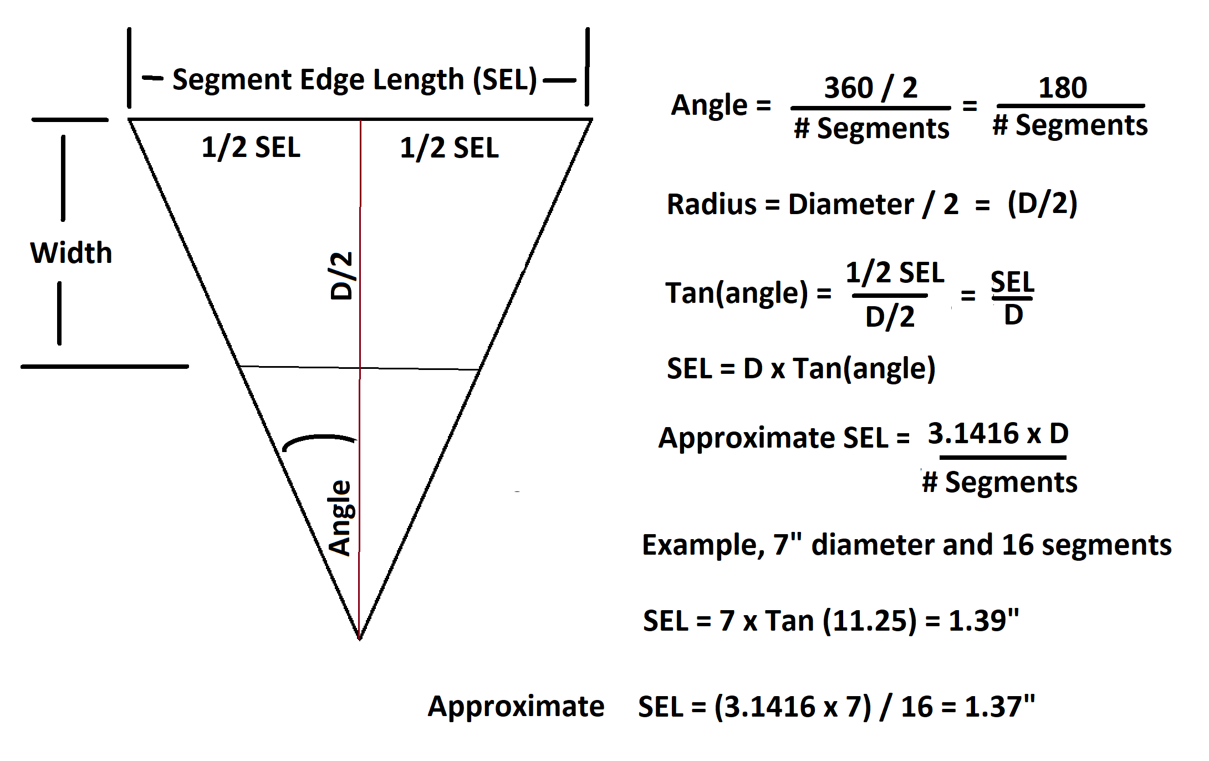

 |  |  |  |  |  |  |  |  | `

 |  |  |  |  |  |  |  |  | `

 | Calc Board Length = (SEL/2 + ((SEL/2- Board Width* Tan(CutAngle)))+ Blade Width)* Segments Per Ring + Waste

 | Tan(Cut Angle) = Extra/Board Width
 | Extra = Board Width*Tan(Cut Angle)

